Sheet1
Category | Label | Value1 | Value2 | Value3 | Value4 | Value5 | Value6 | Value7 | Value8
Bug ID | ID number | 1 | 2 | 3 | 4 | 5 | 6 | 7 | 8
 | Name | Product ID | Product Price | Product Name | Delete products button - empty page | Add image while creating a new product | Add image while creating a new product | Products with same attributes | Duplicating prodcuts while creating
 | Reporter | Stasa Basaric | Stasa Basaric | Stasa Basaric | Stasa Basaric | Stasa Basaric | Stasa Basaric | Stasa Basaric | Stasa Basaric
 | Submit Date | 17.05.2020. | 17.05.2020. | 17.05.2020. | 17.05.2020. | 17.05.2020. | 17.05.2020. | 17.05.2020. | 17.05.2020.
Bug overview | Relates to | Adding new product | Adding Product Form | Adding Product Form | Delete products page | Add image for the product | Add image for the product | Add product | Add product
 | Screenshot |  | 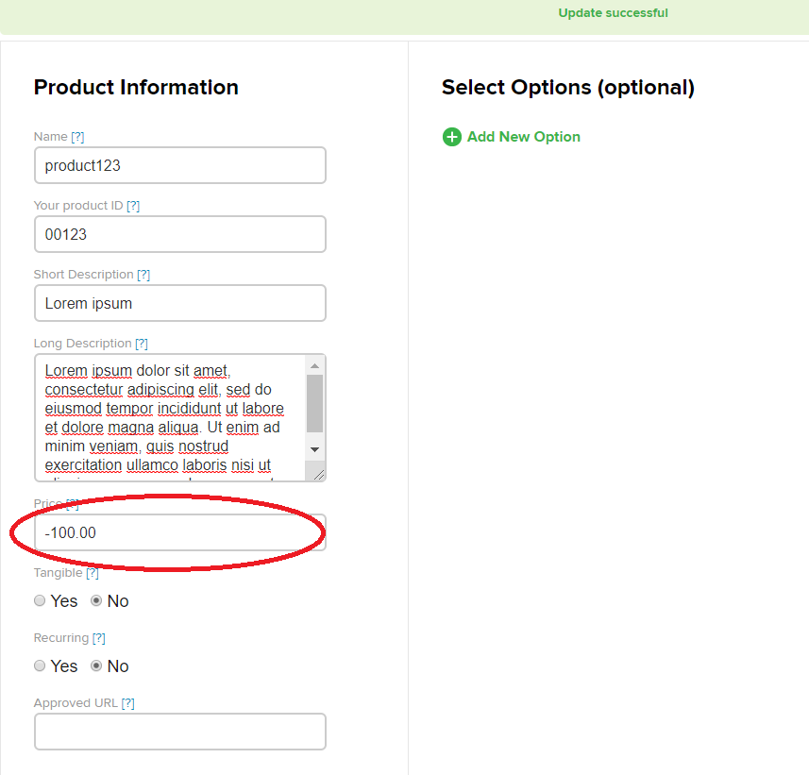 |  | 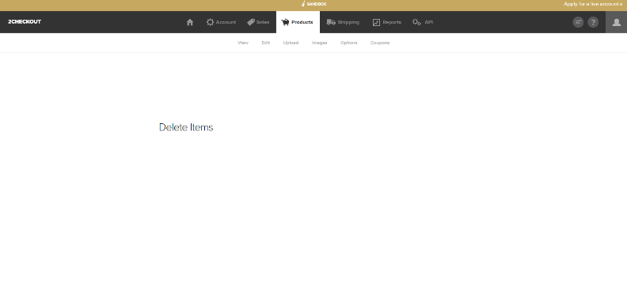 | 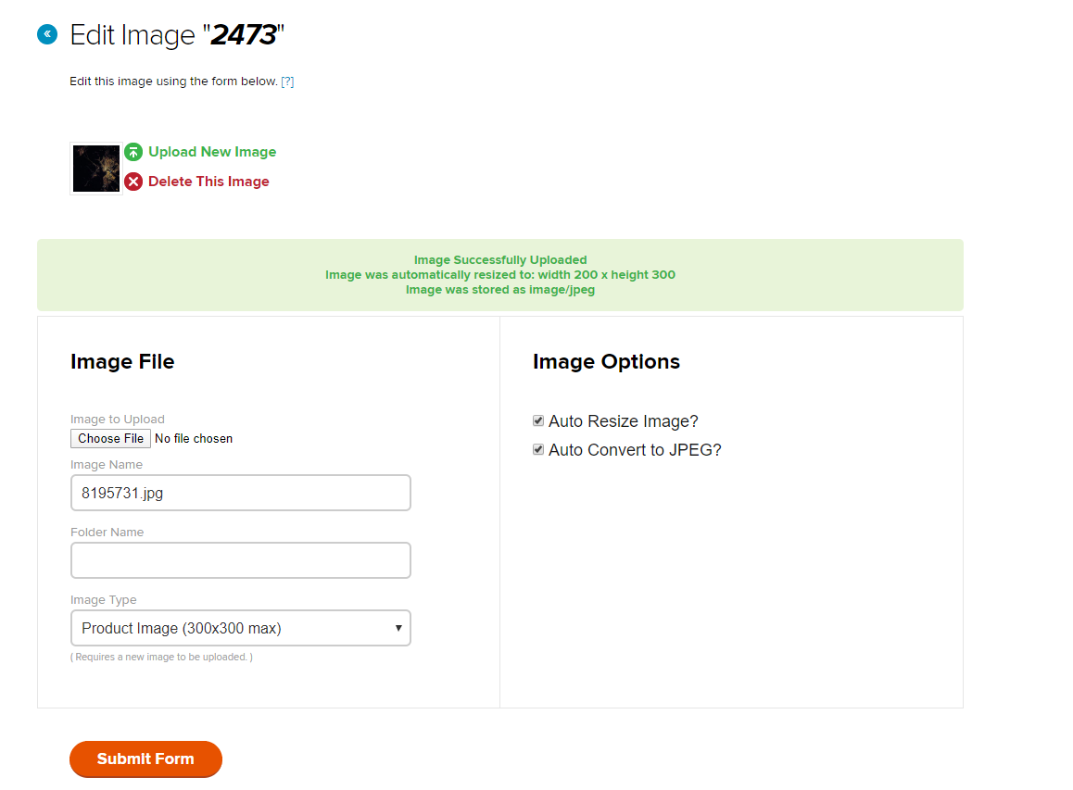
Environment | Platform | Web page | Web page | Web page | Web page | Web page | Web page | Web page | Web page
 | Operating System | Widnows 10 Pro | Widnows 10 Pro | Widnows 10 Pro | Widnows 10 Pro | Widnows 10 Pro | Widnows 10 Pro | Widnows 10 Pro | Widnows 10 Pro
 | Browser | Google Chrome | Google Chrome | Google Chrome | Google Chrome | Google Chrome | Google Chrome | Google Chrome | Google Chrome
Bug details | Steps to reproduce | 1.Open page: https://sandbox.2checkout.com/sandbox 2. Log in (user: StasaBas ; password: Stasa123 ) 3. Click on products tab 4. Click on Add Product 5. Type the name of the product - "product12" 6. Type in the price of the product - "100" 7. Click Save Changes button.. | 1.Open page: https://sandbox.2checkout.com/sandbox 2. Log in (user: StasaBas ; password: Stasa123 ) 3. Click on products tab 4. Click on Add Product 5. Type the name of the product - "product123" 6. Type in the price of the product as negative number or 0 7. Click on button - Save product changes | 1.Open page: https://sandbox.2checkout.com/sandbox 2. Log in (user: StasaBas ; password: Stasa123 ) 3. Click on products tab 4. Click on Add Product 5. Type the name of the product - " " (with space) or "%%%#@!@@" 6. Type in the price of the product as 0 7. Click on button - Save product changes | 1.Open page: https://sandbox.2checkout.com/sandbox 2. Log in (user: StasaBas ; password: Stasa123 ) 3. Click on products tab 4. Click on Add Product 5. Type the name of the product - "product1234" 6. Type in the price of the product - "100" 7. Click on button - Save product changes 8. Click on "View" tab below Product tab 9. Click on "delete products" button in last row of the product table | 1.Open page: https://sandbox.2checkout.com/sandbox 2. Log in (user: StasaBas ; password: Stasa123 ) 3. Click on products tab 4. Click on Add Product 5. Click on Upload image button 6. Click on choose file (choose some random image from files) 7. Select from Image type drop down menu - Product image 8. Click on sumbit form | 1.Open page: https://sandbox.2checkout.com/sandbox 2. Log in (user: StasaBas ; password: Stasa123 ) 3. Click on products tab 4. Click on Add Product 5. Type the name of the product - "product12" 6. Type the ID of product - "00123" 7. Type in the price of the product - "100" 8. Click Save Changes button.. successful 9. Click on Upload image button 10. Click on choose file (choose some random image from files) 11. Select from Image type drop down menu - Product image 12. Click on sumbit form 13. Click on "View" tab below Product Tab | 1.Open page: https://sandbox.2checkout.com/sandbox 2. Log in (user: StasaBas ; password: Stasa123 ) 3. Click on products tab 4. Click on Add Product 5. Type the name of the product - "product123" 6. Type the ID of product - "00123" 7. Type in the price of the product - "100" 8. Click Save Changes button 9. Click on "View" tab below Product tab 10. Repeat same steps 4-8 | 1.Open page: https://sandbox.2checkout.com/sandbox 2. Log in (user: StasaBas ; password: Stasa123 ) 3. Click on products tab 4. Click on Add Product 5. Type the name of the product - "product123" 6. Type the ID of product - "00123" 7. Type in the price of the product - "100" 8. Click Save Changes button 2 times (fast)
 | Expected result | Error - ID missing | Error - Invaild price | Error - Invaild name | Enabled click on products to delete or something like that | Successful save and to go back on product form to continue filling out the product form | In products table row under "images" column - expected to see an icon image that was uploaded for the product instead of the green circle with plus | Error - the same product already exists | Creates only one product
 | Actual result | Successful save | Successful save | Successful save | New empty page opens with only text "Delete Items" | Opens the image submit form again and cannot go back to product form | Green cricle with plus sign (for adding the image) | Successful | Creates two same products in the list
 | Description |  | Price of a product should not be allowed negative | Only alphabet should be allowed for product names |  |  |  | At least product ids should be different..
Bug tracking | Severity | medium | medium | medium | low | high | medium | medium | low
 | Assigned to
 | Priority | medium | medium | medium | low | high | medium | medium | low
Notes | Notes

